Screenshot
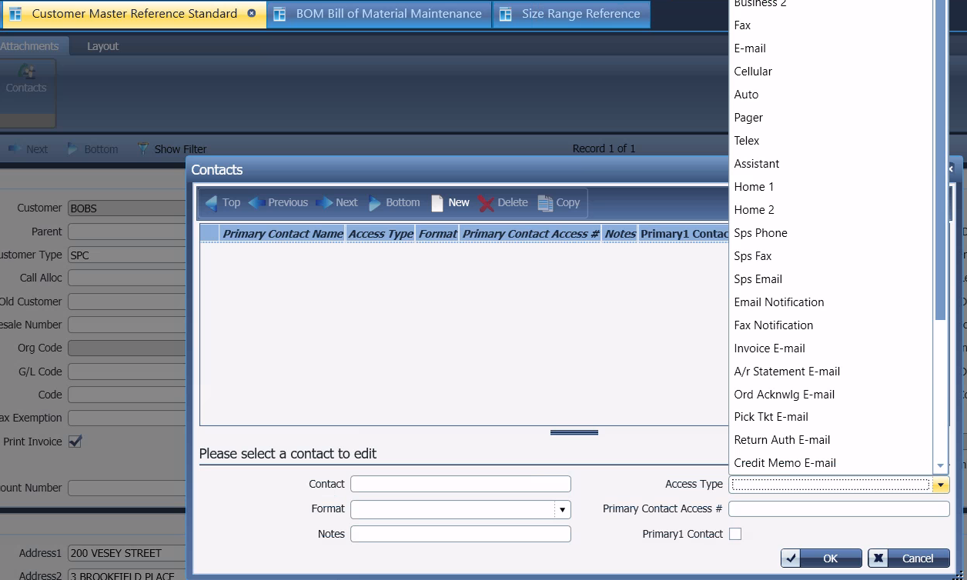
Reference Screenshot

